STP & BAU Process Application
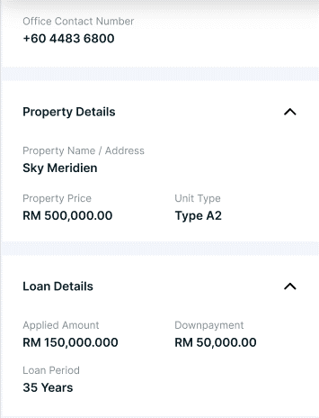
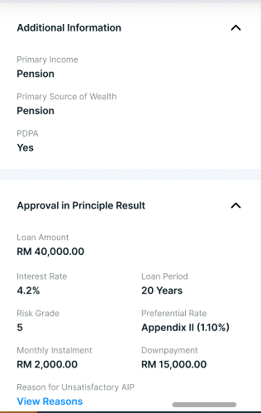
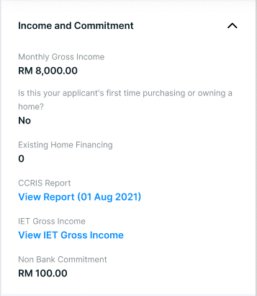
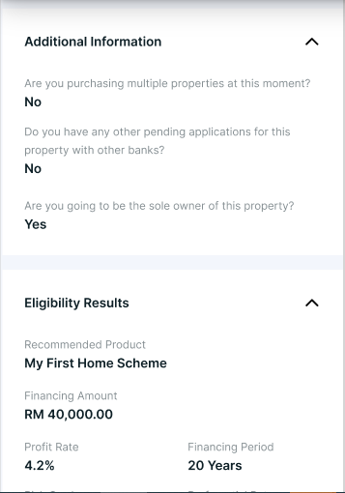
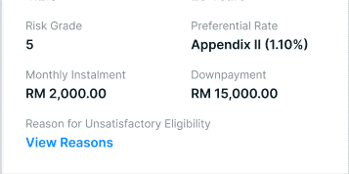
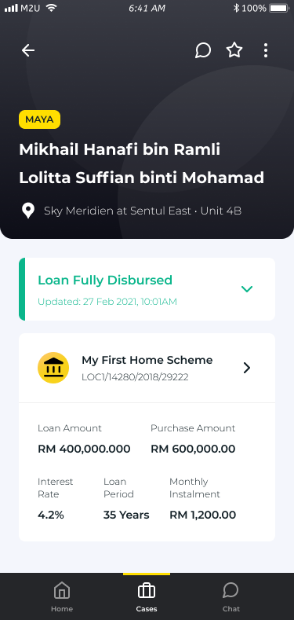
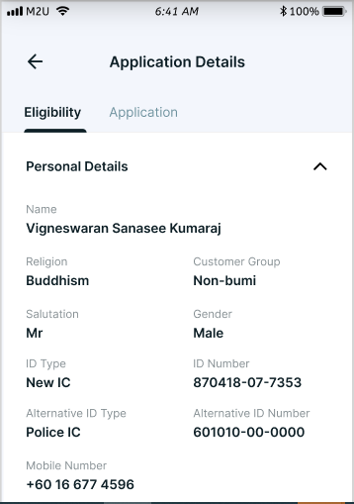
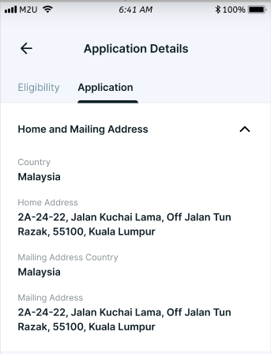
Loan Summary Details (from WoLOC) | Eligibility Details | Remark | Store in WoLOC? | Application Details | Remarks | Store in WoLOC?
Loan Product Name (CM Home Financng-i/Maxihome) | Personal Details |  |  | Home and Mailing Address
STP ID | Name |  | Y | Home Country |  | Y
Loan Amount (Conventional Product)/ Financing Amount (Islamic Product) | Salutation |  | Y | Home Address |  | Y
Purchase Amount | ID Type |  | Y | Mailing Country |  | Y
Interest Rate (Conventional Product) / Profit Rate (Islamic Product) | ID Number |  | Y | Mailing Address |  | Y
Loan Period (Conventional Product) / Financing Period (Islamic Product) | Alternate ID Type |  | Y | Property Details
Monthly Installment | Alternate ID Number |  | Y | Unit Number |  | Y
Bank's Selling Price (Islamic Product) | Religion |  | Y | Owner of Unit? |  | Y
 | Customer Group |  | Y | Employment Details
 | Phone Number |  | Y | Occupation |  | Y
 | Education |  | Y | Occupation Sector |  | Y
 | Employment Status |  | Y | Name of Employer |  | Y
 | Spouse's Gross Income |  | Y | Duration of Service |  | Y
 | Gender |  | Y | Office Country |  | Y
 | Email Address |  | Y | Office Address |  | Y
 | Marital Status |  | Y | Office Contact Number |  | Y
 | Business Type |  | Y | Income and Commitment
 | Home and Mailing Address |  |  | CCRIS Report (Hyperlink) | Allow staff to view CCRIS report retrieved during eligibility computation To display NA if customer CCRIS report is unavailable upon eligibility check
 | Home Country |  | Y | Product Details
 | Home Address |  | Y | Financing Type |  | Y
 | Mailing Country |  | Y | Financing Plan |  | Y
 | Mailing Address |  | Y | Additional Information
 | Employment Details |  |  | Primary Income |  | Y
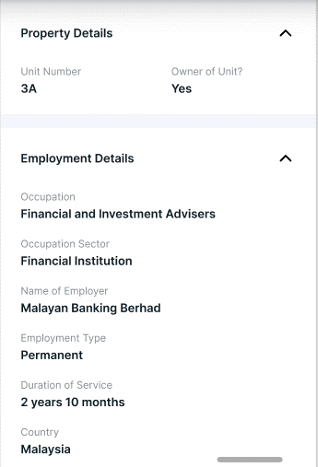
 | Occupation |  | Y | Primary Source of Wealth |  | Y
 | Occupation Sector |  | Y | PDPA |  | Y
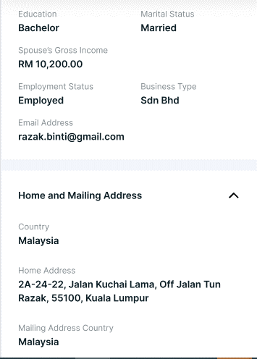
 | Name of Employer |  | Y | Approval in Principle Results
 | Duration of Service |  | Y | Loan Amount or Financing Amount |  | Y
 | Office Country |  | Y | Interest Rate or Profit Rate |  | Y
 | Office Address |  | Y | Loan Period or Financing Period |  | Y
 | Office Contact Number |  | Y | Risk Grade |  | Y
 | Property Details |  |  | Preferential Rate |  | Y
 | Property Name / Address |  | Y | Monthly Instalment |  | Y
 | Property Price |  | Y | Downpayment |  | Y
 | Unit Type | Only applicable for Lister Property only | Y | Reason for Unsastifactory AIP (Hyperlink) |  | Y
 | Loan Details/Financing Details
 | Applied Amount |  | Y
 | Loan Period |  | Y
 | Downpayment |  | Y
 | Income and Commitment
 | Debt Service Ratio (DSR) |  | Y
 | Monthly Gross Income |  | Y
 | Is this your applicant's first time purchasing or owning a home? |  | Y
 | Existing Home Financing |  | Y
 | CCRIS Report (Hyperlink) | Allow staff to view CCRIS report retrieved during eligibility computation To display NA if customer CCRIS report is unavailable upon eligibility check | Y
 | Non Bank Commitment |  | Y
 | Car Loan | Only applicable if customer CCRIS report is unavailable upon eligibility check If customer did not fill up, display RM0.00 | Y
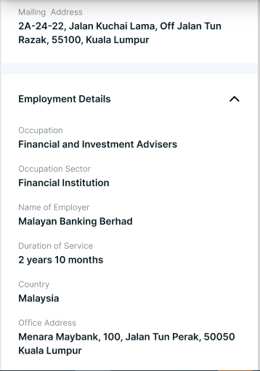
 | Overdraft | Only applicable if customer CCRIS report is unavailable upon eligibility check If customer did not fill up, display RM0.00 | Y
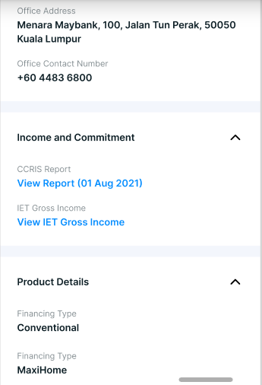
 | Housing Loan | Only applicable if customer CCRIS report is unavailable upon eligibility check If customer did not fill up, display RM0.00 | Y
 | Personal Loan | Only applicable if customer CCRIS report is unavailable upon eligibility check If customer did not fill up, display RM0.00 | Y
 | Credit Card Repayments | Only applicable if customer CCRIS report is unavailable upon eligibility check If customer did not fill up, display RM0.00 | Y
 | Additional Information
 | Are you purchasing multiple properties at this moment? |  | Y
 | Does you have any other pending applications for this property with other banks? |  | Y
 | Are you going to be the sole owner of this property? | Currently WoLOC will not retrieve this information at eligibility tab hence it will always be N/A | Y
 | Eligibility Results
 | Recommended Product |  | Y
 | Loan Amount or Financing Amount |  | Y
 | Interest Rate or Profit Rate |  | Y
 | Loan Period or Financing Period |  | Y
 | Risk Grade |  | Y
 | Preferential Rate |  | Y
 | Monthly Instalment |  | Y
 | Downpayment |  | Y
 | Reason for Unsastifactory Eligibility (Hyperlink) |  | Y

